1. Title Page
Instacart Grocery Basket Analysis

Project Name: Instacart Grocery Basket Analysis
Date: January 2023
Analyst Name: Idong Essien

Contents:
Population Flow
Consistency checks
Wrangling steps
Column derivations
Visualizations
Recommendations

2. Population Flow
 | Title page
Population Flow
Population flow

Exclusion flag
Condition: max_order < 5
Obervations to be removed: 1,441,488
Final total count of order_products_all: 30,991,542

Orders_products_combined
Orders_products_merged
Orders_products_all

Total: 32,433,030
Total: 32,434,489
Total:32,433,030

1.) The grey boxes in the first row of the population flow represent the original data sets as they were when you downloaded them. In the Total fields you need to add the count of the rows when you imported the data set into Jupyter.
2.) The second row of boxes (coloured) represents the data sets after you manipulated them, e.g., removed missing values and duplicates. In the Total fields you need to add the count of the rows after conducting these operations. This offers a visual oveview of how the data flows throughout the data consistency checks.
3.) The third row, where also the arrows are coloured, represents the merges you performed between the datasets. In the Total fields you need to add the count of the rows in the merged datasets, so that you end up with the final dataset (in the red box). Keep in mind the final dataset should be without exclusions (based on the exclusion flag).

3. Consistency checks
 |  |  |  | Title page
Consistency checks

Dataset | Missing values | Missing values treatment | Duplicates
orders | No missing values uncovered | N/A (N.B -There were 206,209 NaN entries in the days_since_prior_order column. This is understandably so because there cannot be any value preceeding the period of the first order by customers) | No duplicates uncovered
products | No missing values uncovered | N/A (But the product_name column variable had mixed type data which was later corrected to string/object) | 5 rows of duplicates were uncovered and removed
orders_products_prior | No missing values uncovered | N/A | No duplicates uncovered
customers | No missing values uncovered | N/A (N.B - But the first_name column variable had mixed type data which was later corrected to string/object ) | No duplicates uncovered

4. Wrangling steps
 |  |  |  |  | Title page
Wrangling steps

Columns dropped | Columns renamed | Columns' type changed | Comment/Reason
eval_set | order_dow' was changed to 'orders_day_of_week' | N/A | For the purpose of this project, irrelevant columns were removed while columns were renamed for the purpose of clarity | In the orders dataset
_merge |  |  | There was no purpose of keeping this column in the dataframe | In all resultant merged dataframes
aisle_id', 'product_id', 'order_id', 'add_to_cart_order' and many other derived columns | First Name' to 'first_name', 'Surnam' to 'last_name', 'STATE' to 'state', 'Age' to 'age', 'fam_status' to 'status', 'Gender' to 'sex' | Gender column type was changed from object to int and renamed sex | Gender had only 2 values: male & female which was represented as 1 & 2 respectively in a bid to save memory space. The removal of some columns was to ensure efficiency as attempts made to merge without shedding some columns proved abortive. The derived columns could still be reproduced subsequently | In the Customers dataset
first_name', 'last_name', 'state', 'date_joined' and other derived columns |  | Every column with integer data type had the storage capacity reduced to int32, int16 or int8 depending on the nature of the variable | Removing of columns was to improve processing efficiency. Derived columns which were removed were later recreated | In the merged dataframe

5. Column derivations
 |  |  |  | Title page

Column derivations and aggregations

In this tab you should add tables below that the frequences of flags/label variables that you produced after deriving them. NB: don't do this for continuous variables, only for flags.
Dataset | New column | Column/s it was derived from | Conditions
df_mega | price_range_loc | prices | Creation was based on cost of items in every department.
 |  |  | ¬ Prices <= 5 are 'Low range products'
 |  |  | ¬ Prices from >5 to <=15 are 'Mid range products'
 |  |  | ¬ Prices > 15 are 'High range products'
 | activity_level | orders_day_of_week | Creation was based on the cummulative total number of orders per day of the week
 |  |  | ¬ '0' which represented Saturday was tagged as the 'busiest day'
 |  |  | ¬ '4' which represented Wednesday was the 'least busy'
 |  |  | ¬ Every other day was tagged as 'Regularly busy'
 | activity_levels | orders_day_of_week | Creation was based on the specification of the client i.e. 2 busiest & 2 slowest days
 |  |  | ¬ '0' and '1' representing Saturday and Sunday respectively were the 'busiest days'
 |  |  | ¬'3' and '4' representing Tuesday and Wednesday respectively were the 'slowest days'
 |  |  | ¬ The remaining 3 days were tagged as 'regular days'
 | busy_period_levels | order_hour_of_day | Creation was based on the extent to which orders were made within a day
 |  |  | ¬ From 9am to 4pm are the 'Most orders'
 |  |  | ¬ From midnight to 6am are the 'Fewest orders'
 |  |  | ¬ The rest of the hours/period are the 'Average orders'
 | loyalty_flag | user_id | Creation was based on maximum number of oders per customer
 |  | order_number | ¬ Customers with maximum orders above 40 were tagged as 'Loyal customer'
 |  |  | ¬ Customers with maximum orders from above 10 to 40 were tagged as 'Regular customers'
 |  |  | ¬ Customers with maximum orders from and below were regarded as 'New customers'
 | spending_flag | user_id | Creation was based on the average price expended on items per customer
 |  | prices | ¬ Average price below 10 is regarded as a 'Low spender'
 |  |  | ¬ Average price from 10 and above is referred to as a 'High spender'
 | frequency_flag | user_id | Creation based on a statistical approach to periods between orders
 |  | days_since_prior_order | ¬ If the calculated period exceeds 20 days, the customer is a 'Non frequent customer'
 |  |  | ¬ If the calculated period is above 10 to 20 days, the customer is a 'Regular customer'
 |  |  | ¬ If the calculated period is from 10 and below, the customer is a 'Frequent customer'
df_insta | region | state | Creation was based on the geographic location of each state into:
 |  |  | ¬ 'Northeast
 |  |  | ¬ West
 |  |  | ¬South
 |  |  | ¬ Midwest
 | exclusion_flag | user_id | Creation based on the maximum number of orders per given customer
 |  | order_number | ¬ Customers with maximum orders below 5 were tagged as 'Low activity'
 |  |  | ¬ Customers with maximum orders from 5 and above were referred to as 'Active'

6. Visualizations
 |  |  |  |  |  |  |  | Title page

Visualisations

In this tab you should include all the visualtions from Exercises 4.9 and 4.10, alongside the questions from the project brief that they answer. Include any commentary on the relationship between different variables.

 | 1.0 FREQUENCY OF 'orders_day_of_week' FOR ALL INSTACART CUSTOMERS |  |  |  |  |  |  | 2.0 FREQUENCY OF 'prices' FOR AVAILABLE ITEMS IN INSTACART
 | Weekends clearly have the highest orders while the reverse is in mid-week |  |  |  |  |  |  | It appears there the highest concentration of price is around 5


 |  |  | KEY
 |  |  | 0 = Saturday
 |  |  | 1 = Sunday
 |  |  | 2 = Monday
 |  |  | 3 = Tuesday
 |  |  | 4 = Wednesday
 |  |  | 5 = Thursday
 |  |  | 6 = Friday

 | 3.0 SCATTERPLOT OF 'price' Vs. 'price' |  |  |  |  |  |  | 4.0 LINE GRAPH PLOT OF 'prices' Vs. 'orders_day_of_week
 | Such resultant output visualization is bound to be the case when a variable is |  |  |  |  |  |  | Pictorial representation of prices of items ordered during the week
 | plotted against itself
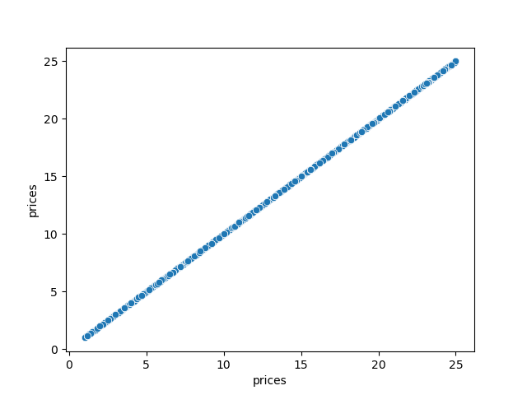
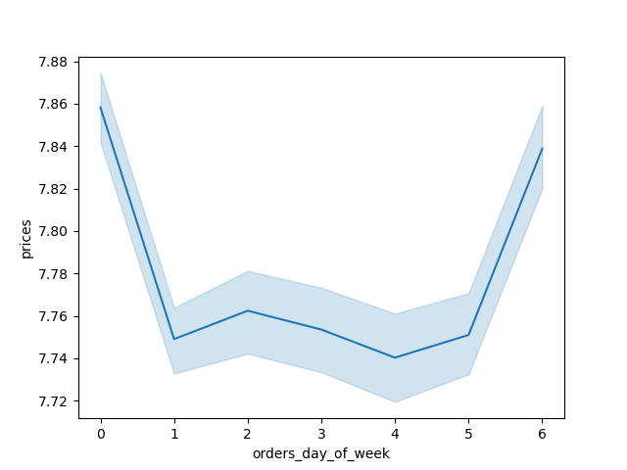


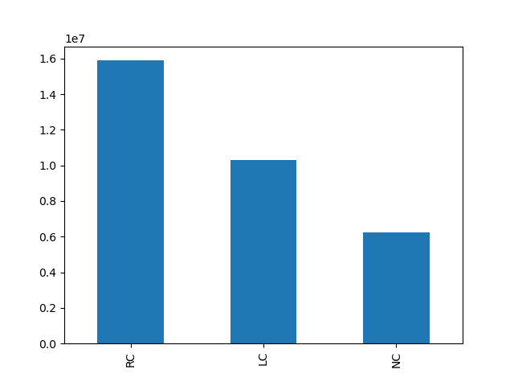
 | 5.0 REPRESENTATION OF FREQUENCY FOR order_hour_of_day |  |  |  |  |  |  | 6.0 BAR CHART SHOWING CUSTOMER CATEGORIZATION INTO 3 SEGMENTS
 | Peak period occurs around 10am while least periods is between midnight and 6am |  |  |  |  |  |  | Segmentation was deduced from maximum number of customer orders |  | KEY
 |  |  |  |  |  |  |  |  |  | RC-Regular customer
 |  |  |  |  |  |  |  |  |  | LC-Loyal customer
 |  |  |  |  |  |  |  |  |  | NC-New customer

 |  | 7.0 LINE GRAPH OF 'prices' Vs. 'order_hour_of_day' |  |  |  |  |  | 8.0 LINE GRAPH OF 'age' Vs. 'number of dependants
 |  | Graph shows a clear deep in prices around the 10am period |  |  | There is a very obvious inear relationship between the variables (though the range for the age is very narrow)
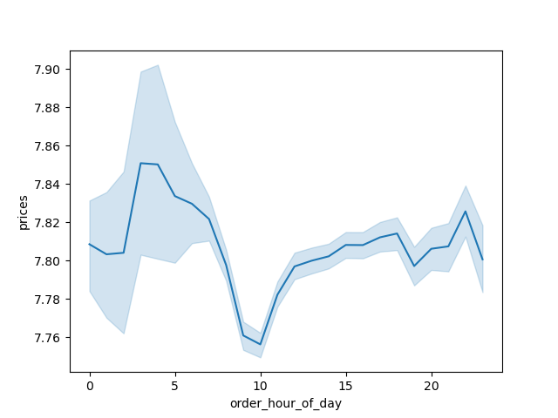
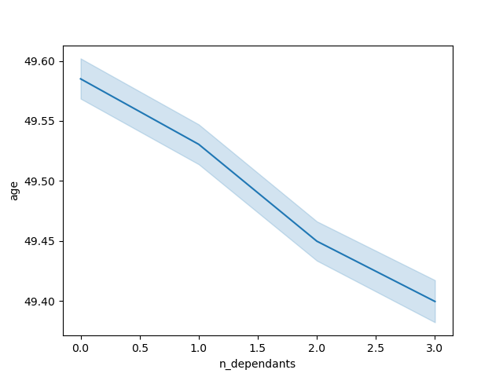

 |  | 9.0 SCATTERPLOT REPRESENTATION OF 'income' Vs. 'age' |  |  |  |  |  | 10.0 BAR CHART DEPICTING THE SPREAD OF PROFILED CUSTOMERS PER GIVEN REGION
 | The visualization tends to create 3 categories of clusters (which is elaborated in the next sheet) |  |  |  |  |  |  | Midwesterners are the most in population while Northeasterners are the least in size

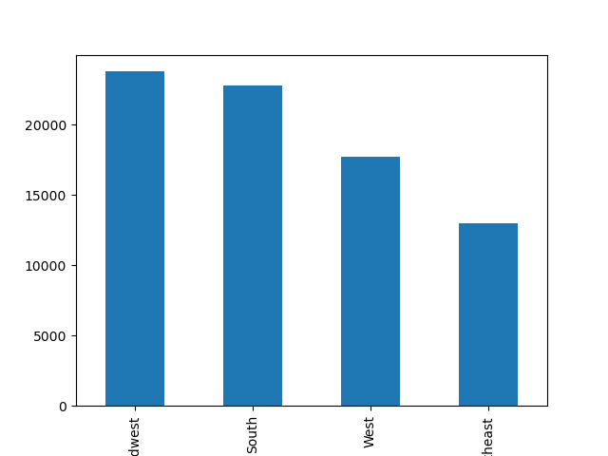

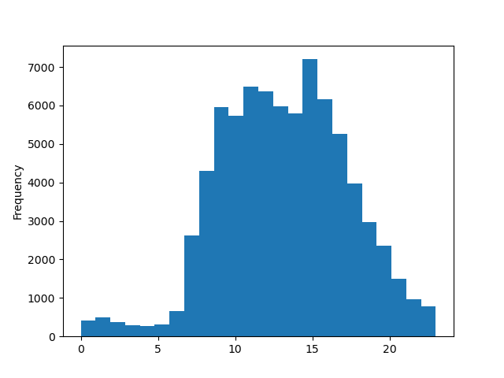
11.0 BAR CHART TO ASCERTAIN THE PREFERRED DAYS OF ORDER BY THE PROFILED CUSTOMERS |  |  |  |  |  | 12.0 HISTOGRAM TO CONFIRM PREFERRED ORDER PERODS DURING THE DAY FOR THE PROFILED CUSTOMERS
Though weekend is still the preferred days to make orders, there's a swap between Saturday and Sunday |  |  |  |  |  |  | Same exercise was carried out for the profiled customers but this time it was to determine preferred
as compared to the generality of customers. Fridays witnesses the least orders |  |  |  |  |  |  | periods during the day using a histogram. 3pm seemed to be the peak period
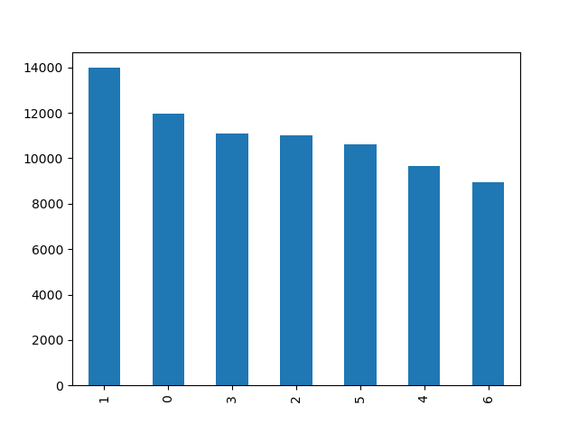

 |  |  |  | KEY
 |  |  |  | 0 = Saturday
 |  |  |  | 1 = Sunday
 |  |  |  | 2 = Monday
 |  |  |  | 3 = Tuesday
 |  |  |  | 4 = Wednesday
 |  |  |  | 5 = Thursday
 |  |  |  | 6 = Friday

13.0 BAR CHART SHOWING THE FAMILY STATUS SPREAD WITHIN THE PROFILED CUSTOMERS |  |  |  |  |  | 14.0 HISTOGRAM HIGHLIGHTING THE DEPARTMENTAL ORDER HABITS BY THE PROFILED CUSTOMERS
 | Married couples seem the prevalent by a landslide while divorced/widowed are the least in size |  |  |  |  |  | Orders from departments 4 & 16 clearly tower above the departments
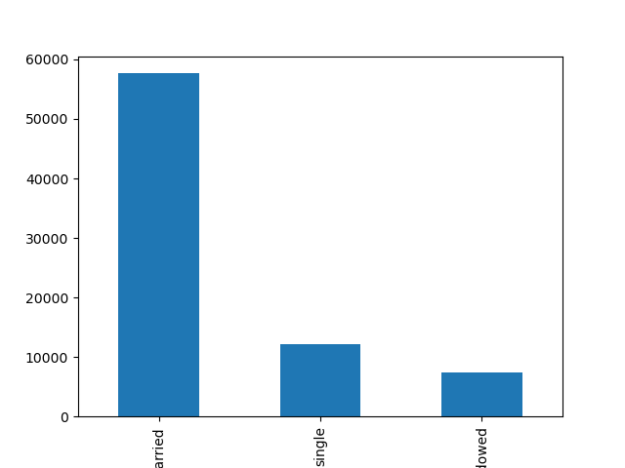
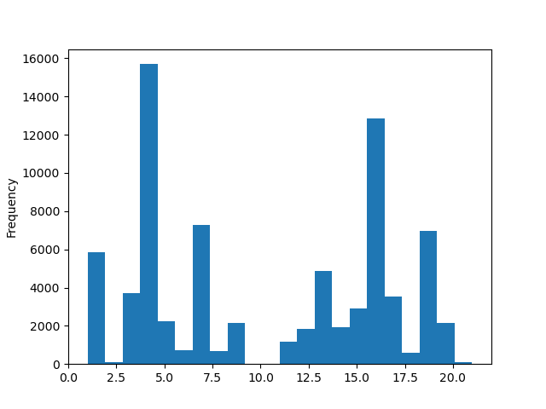

 | 15.0 LINE GRAPH VISUALIZATION OF 'age' Vs. Number of dependants |  |  |  |  |  |  | 16.0 LINE GRAPH OF number of dependants Vs. 'income'
 |  | There is no detectable linear correlation between the variables |  |  | There is clearly no correlation between the variables. Readings appear to be like that from a seismograph
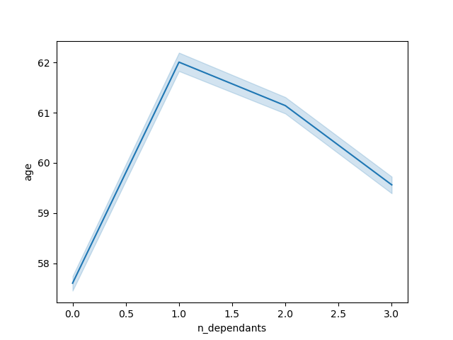
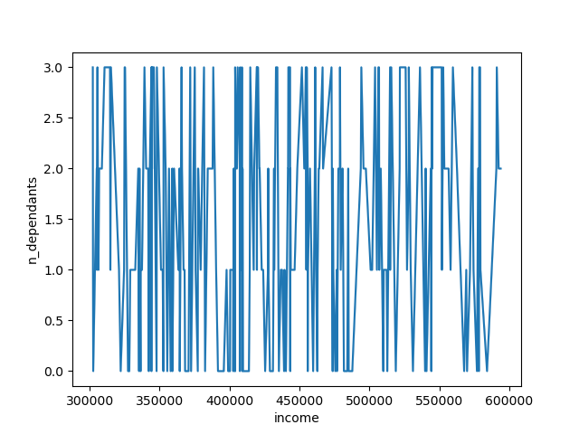

 | ORDER HABIT PATTERNS AMONG THE 4 REGIONS FOR THE PROFILED CUSTOMERS
 |  | The appearance of all 4 histograms representing the various regions all appear identical. An indication of similar ordering habit trends by preferring items mainly from departments 4 &16
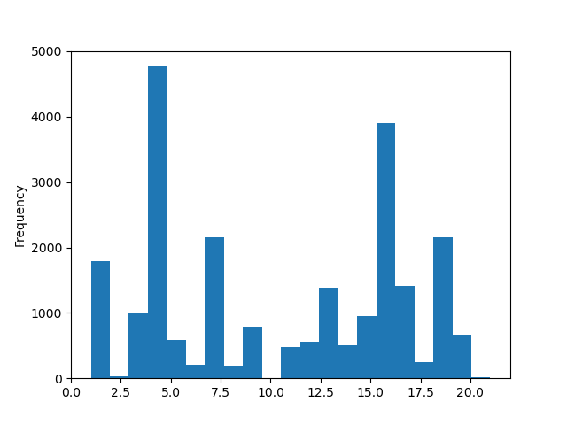
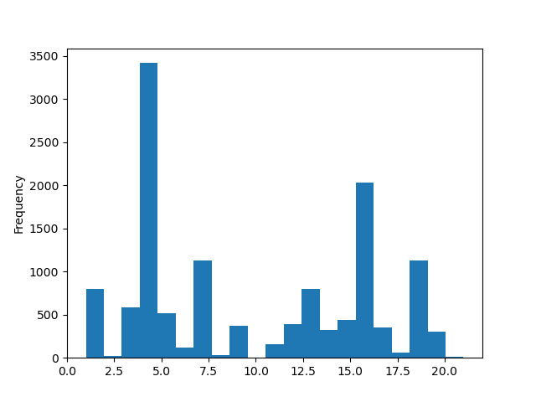

 |  | MID-WEST |  |  |  |  |  |  | NORTH-EAST

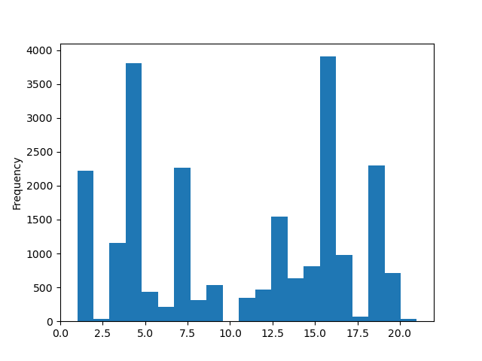
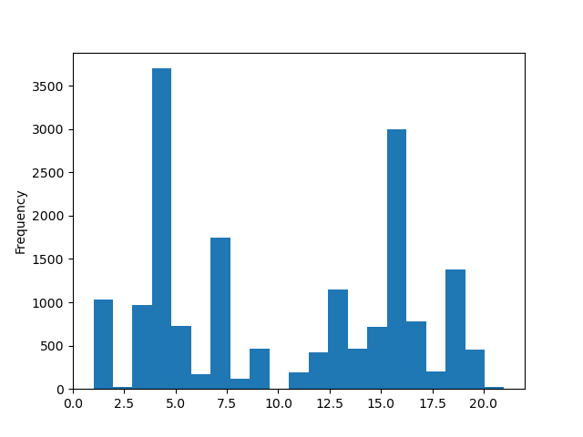

 |  | SOUTH |  |  |  |  |  |  | WEST

7. Recommendations
 |  |  |  |  |  |  |  |  |  |  |  |  | Title page

Recommendations

In this tab you should include any recommendations you would made to Instcart in terms of their marketing strategy based on the questions posed in the brief. Every key question has been covered in the Tasks of the Exercises - here you need to add an item - a visualisation or table/crosstable that is showing the answer in the data, acompanied by a comment from you. Please, list the questions below and add the answer underneath.

 | Key Question 1 - The sales team needs to know the busiets days of the week and hours of the day in order to schedule ads at times when there are fewer orders

 |  |  |  |  |  |  |  |  |  |  |  |  |  |  |  |  | KEY
 |  |  |  |  |  |  |  |  |  |  |  |  |  |  |  |  | 0 = Saturday
 |  |  |  |  |  |  |  |  |  |  |  |  |  |  |  |  | 1 = Sunday
 |  |  |  |  |  |  |  |  |  |  |  |  |  |  |  |  | 2 = Monday
 |  |  |  |  |  |  |  |  |  |  |  |  |  |  |  |  | 3 = Tuesday
 |  |  |  |  |  |  |  |  |  |  |  |  |  |  |  |  | 4 = Wednesday
 |  |  |  |  |  |  |  |  |  |  |  |  |  |  |  |  | 5 = Thursday
 |  |  |  |  |  |  |  |  |  |  |  |  |  |  |  |  | 6 = Friday

Order Frequency by hour of the day |  |  |  |  |  |  |  |  |  |  | Order Frequency by day of the week
(10am - 11am is period with the most orders while 3am - 4am is the period with the least orders) |  |  |  |  |  |  |  |  |  |  | (Saturday is the day with the highest orders and Wednesday is the least)

 | Recommendation - If the objective is to schedule Ads at periods when fewer orders are made, I would suggest going for Wednesdays (day of least orders) between 10 and 11am. This is because while Wednesday records the lowest day of
 | the week, placing ads between 10 and 11 is bound to still capture the attention of many customers and considerably grow sales. As most orders are made on Saturday, making ads on Friday could also be a good idea.
 | Attempts to place ads between 2 and 5am (period of least orders) might not yield the desired result as the average folk might be asleep during these hours

 | Key Question 2 - The sales team also want to know whether there are particular times of the day when people spend the most money, as this might inform the type of products they advertise at these times

 |  |  |  |  |  |  |  |  |  |  |  | Average expenditure profie during the course of the day
 |  |  |  |  |  |  |  |  |  |  | Period of the most spend appears to be from 4am to 5am while the least spend occurs around 10am

 |  |  |  |  |  |  |  |  |  |  | Just an after thought below
 |  |  |  |  |  |  |  |  |  |  | But we know that this period (10am-11am) coincides with the period of the most orders. Could it be that Instacart
 |  |  |  |  |  |  |  |  |  |  | already has some form of discount during this period, which leads to a hike in orders (at a reduced price)?

 |  |  |  |  |  |  |  |  |  |  | Recommendation - The best products to advertise between the hours of 4am and 5am are 'breakfast' & 'personal care'
 |  |  |  |  |  |  |  |  |  |  | items. This would suit those that are awake as these customers might be trying to make breakfast (breakfast items) or
 |  |  |  |  |  |  |  |  |  |  | likely taking a shower/meditating. (personal care items). Bringing these items to the consciousness of the customers is
 |  |  |  |  |  |  |  |  |  |  | likely to improve sales of items from departments 14 & 11. (These departments are witnessing relatively low orders)

 | Key Question 3 -Instacart has a lot of products with different price tags. Marketing and sales want to use simpler price range groupings to help direct their efforts
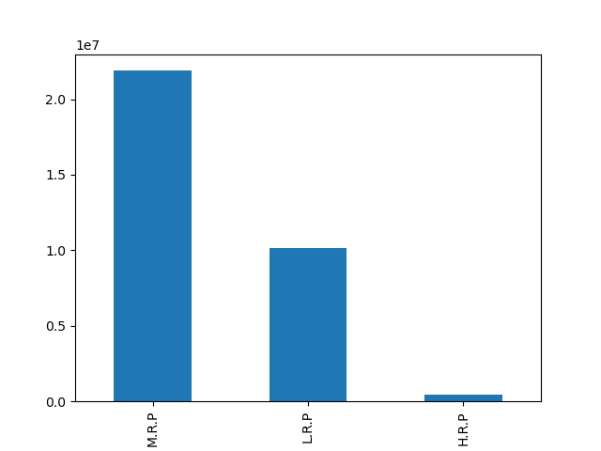

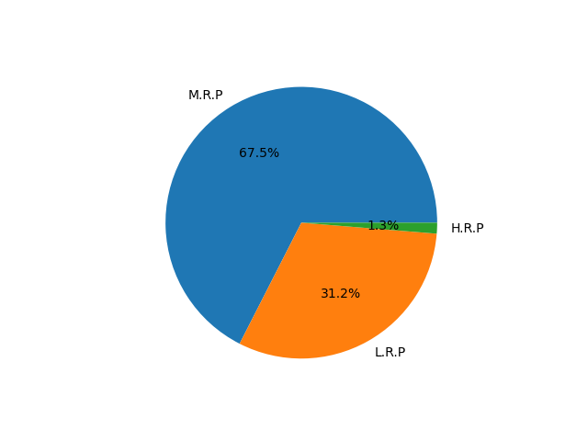
 |  |  |  |  |  |  |  |  | KEY
 |  |  |  |  |  |  |  |  | L.R.P. - Low Range Price (<=5)
 |  |  |  |  |  |  |  |  | M.R.P. - Mid Range Price (>5 <= 15)
 |  |  |  |  |  |  |  |  | H.R.P. - High Range Price (>15)

 | Simpler Price range groupings
 | The bulk of the items fall under 'mid- range' pricing products while a very small percentage |  |  |  |  |  |  |  |  |  |  |  |  | The pie chart depicts a specific percentage distribution
 | apears under the high range category. |  |  |  |  |  |  |  |  |  |  |  |  | of these price product range (with coloration demacation)

 | Recommendation - For simpler price groupings, the following measures could be applied. Items costing from $5 and below could be regarded as Low Range. Those above $5 to $15 could be referred to as Mid Range while those above $15
 | can be classified as High Range

 | Key Question 4 - There are certain types of products and the marketing/sales teams want to know which departments have the highest frequency of product orders
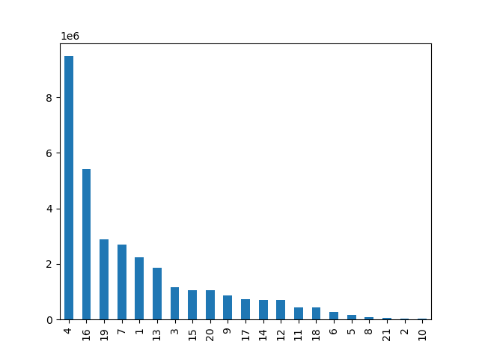

 |  |  |  |  |  |  |  |  |  | KEY
 |  |  |  |  |  |  |  |  |  | 1-frozen
 |  |  |  |  |  |  |  |  |  | 2-other
 |  |  |  |  |  |  |  |  |  | 3-bakery
 |  |  |  |  |  |  |  |  |  | 4-produce
 |  |  |  |  |  |  |  |  |  | 5-alcohol
 |  |  |  |  |  |  |  |  |  | 6-international
 |  |  |  |  |  |  |  |  |  | 7-beverages
 |  |  |  |  |  |  |  |  |  | 8-pets
 |  |  |  |  |  |  |  |  |  | 9-dry goods pasta
 |  |  |  |  |  |  |  |  |  | 10-bulk
 |  |  |  |  |  |  |  |  |  | 11-personal care
 |  |  |  |  |  |  |  |  |  | 12-meat seafood
 |  |  |  |  |  |  |  |  |  | 13-pantry
 |  |  |  |  |  |  |  |  |  | 14-breakfast
 |  |  |  |  |  |  |  |  |  | 15-canned goods
 |  |  |  |  |  |  |  |  |  | 16-dairy eggs
 |  |  |  |  |  |  |  |  |  | 17-household
 |  |  |  |  |  |  |  |  |  | 18-babies
 |  |  |  |  |  |  |  |  |  | 19-snacks
 |  |  |  |  |  |  |  |  |  | 20-deli
 |  |  |  |  |  |  |  |  |  | 21-missing

 | Key Question 3
 | Key Question 4
 | Frequency showing preferential departments of ordered products

 | Recommendation - From the chart, its clear that products from departments 4 & 16 are the most sought after by customers ('Produce' & 'Diary Eggs' items). Further and extensive investigations/surveys could be conducted to determine
 | why products from these departments are the most preferred. Results from the exercise could be used to improve sales of products from other departments

 | Key Question 5 - The marketing team and sales teams are particularly interested in the different types of customers in their system and how their ordering behaviors differ
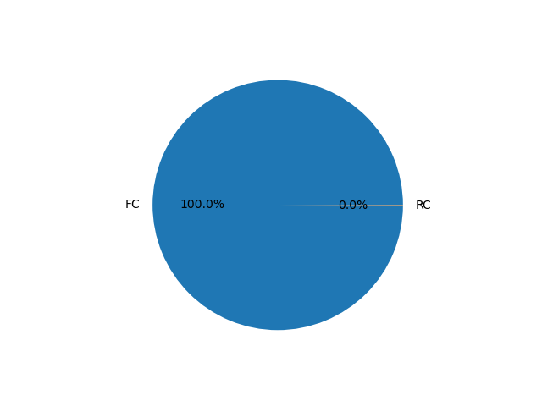

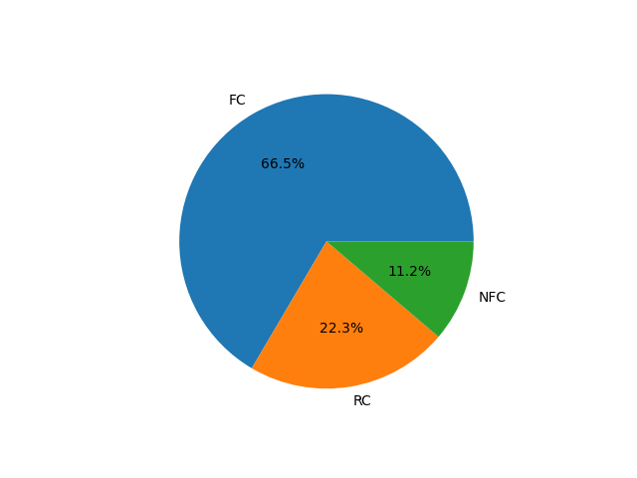

 |  |  |  |  |  |  |  |  |  |  |  | Loyal Customers

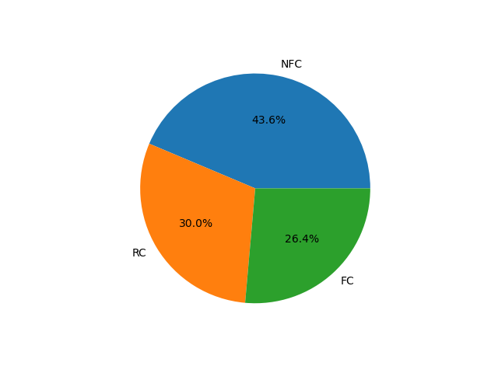

 |  |  |  |  |  |  |  |  |  |  |  | New Customers

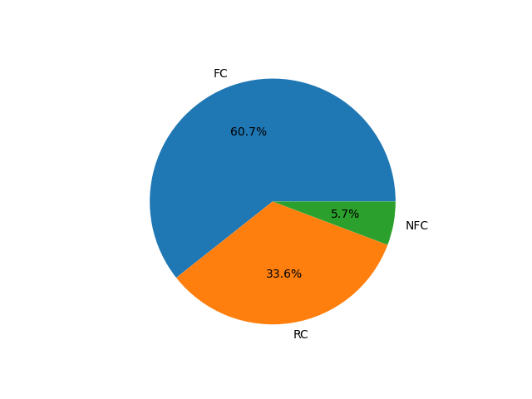

 |  |  |  |  |  |  |  |  |  |  |  | Regular Customers

 | Distribution of ALL Instacart customers across the brand loyalty indicator
 | 3 categories of customers are based on their maximum number of orders. They are |  |  |  |  |  |  |  |  |  | KEY
 | ¬ Loyal Customers (max order number above 40) |  |  |  |  |  |  |  |  |  | NFC- Non Frequent Customers
 | ¬ Regular customer (max order from above 10 to 40) |  |  |  |  |  |  |  |  |  | RC- Regular Customers
 | ¬ New Customer (max order from 10 and below) |  |  |  |  |  |  |  |  |  | FC- Frequent Customers

 | Notice how there is a variation in frequency in terms of how the customers return to make new orders among
 | the 3 categories. In the 'loyal customer' category, 100% of the customers are basically frequent

 | Level of frequency is also defined by 3 categories
 | ¬ Non Frequent Customers - median of 'days since prior order is above 20
 | ¬ Regular Customers - median of same variable is higher than 10 and lower or equal to 20
 | ¬ Frequent Customers - median is from 10 and below

 | N.B- The 'Regular Customer' category based on maximum orders should not be confused for the 'Regular Customer' (RC) based on frequency

 | Recommendation - From the loyal customer pie chart, its evident that literally every loyal customer is frequent. Therefore i would suggest some kind of reward system for this esteemed group of customers, like an all paid expense holiday
 | vacation. This gesture is bound to maintain the existing loyal customers that make frequent orders and equally add to their numbers. There would be a high conversion rate of regular/new customers to the loyal segment.

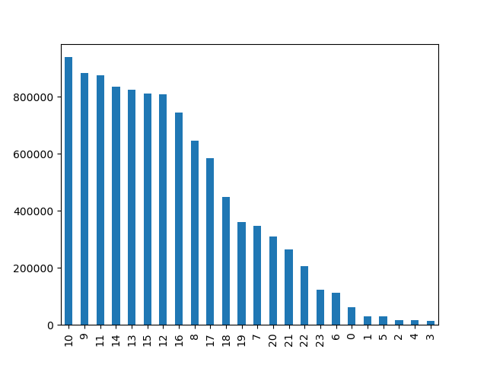
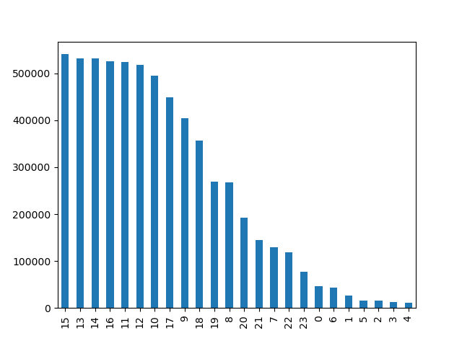
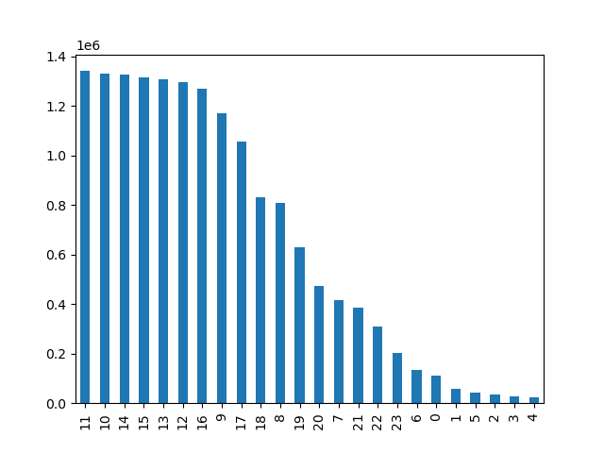

 |  | Loyal Customers |  |  |  |  |  | New Customers |  |  |  |  |  |  | Regular Customers

 |  | Variation in the ordering habit pattern during the day among the 3 customer categories
 |  | ¬ Note that of the 3 categories, it is essentially only the 'New Customers' that have their peak orders in the afternoon
 |  | ¬ As for the 'Loyal and Regular Customers', their peak hours tend towards the late morning periods of the day
 |  |  |  |  | ¬ The least busiest periods are the same for all 3 categories (between 10 pm and 6am of the following day)

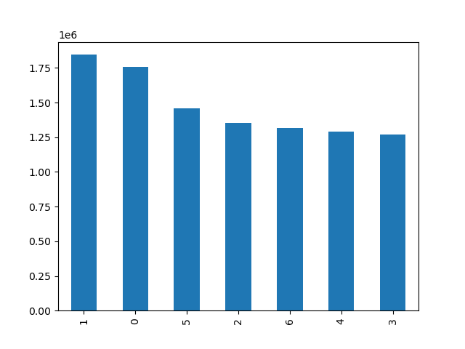
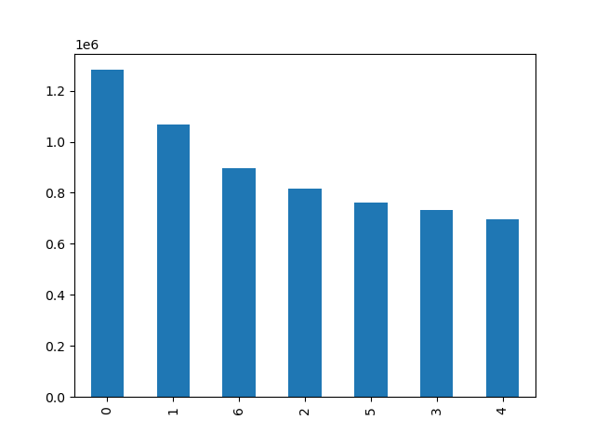


 |  |  |  |  |  |  |  |  |  |  |  |  |  |  |  |  | KEY
 |  |  |  |  |  |  |  |  |  |  |  |  |  |  |  |  | 0 = Saturday
 |  |  |  |  |  |  |  |  |  |  |  |  |  |  |  |  | 1 = Sunday
 |  |  |  |  |  |  |  |  |  |  |  |  |  |  |  |  | 2 = Monday
 |  |  |  |  |  |  |  |  |  |  |  |  |  |  |  |  | 3 = Tuesday
 |  |  |  |  |  |  |  |  |  |  |  |  |  |  |  |  | 4 = Wednesday
 |  |  |  |  |  |  |  |  |  |  |  |  |  |  |  |  | 5 = Thursday
 |  |  |  |  |  |  |  |  |  |  |  |  |  |  |  |  | 6 = Friday

 |  | Loyal Customers |  |  |  | New Customers |  |  |  |  |  |  |  | Regular Customers

 | Variation in the ordering habit pattern during the week among the 3 customer categories
 |  |  |  | While the pattern of New and Regular Customers are totally identical during the week, that of Loyal customers vary to to a large extent
 |  |  |  | Note that Sunday is the peak day of orders for loyal customers, while its Saturday for new an regular customers
 |  |  |  | Tuesday is the least busiest for loyal customers while its Wednesday for new and regular customers
 |  |  |  | Its only Monday that appears to be the midpoint of all 3 categories. This is the only identifiable similarity as represented in the bar charts

 |  |  |  |  |  |  |  |  | Scatterplot distribution of Income Vs Age
 |  |  |  |  |  |  |  |  | From this plottings, 3 major patterns were identified
 |  |  |  |  |  |  |  |  | Category 1 - Customers occupying the lower end of the chart earning below 200,000. This category is the most dense and it's regardless of the age.
 |  |  |  |  |  |  |  |  | Category 2 - This group is less dense than the first category, earning between 200,000 and 300,000 with ages of 40 and above.
 |  |  |  |  |  |  |  |  | Category 3 - The third category has a scanty appearance in distribution and occupy two portions in the chart.
 |  |  |  |  |  |  |  |  | (i) - The customers below 40 years who earn between 200,000 and 400,000 occupying one region
 |  |  |  |  |  |  |  |  | (ii) - while the second set earning above 300,000 and are above 40years occupy the second scanty distributed region.

 |  |  |  |  |  |  |  |  | We would beam our searchlight on the third category and focus on the customers that earn above 300,000 and are over 40 years of age

 |  |  |  |  |  |  |  |  | For the pupose of this project, they will be called 'The Forever Young' customers

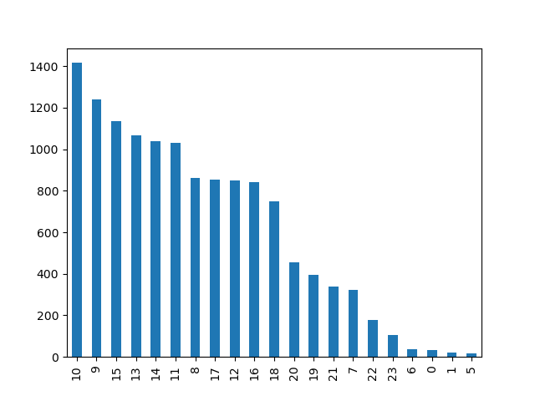
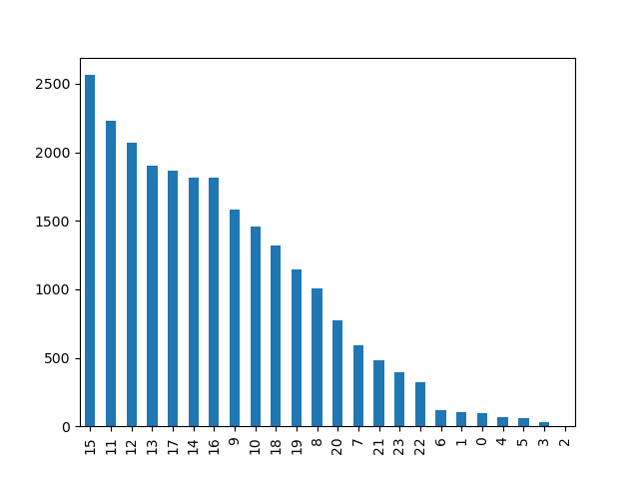

 |  | Mid-West |  |  |  |  |  |  |  |  |  | North-East

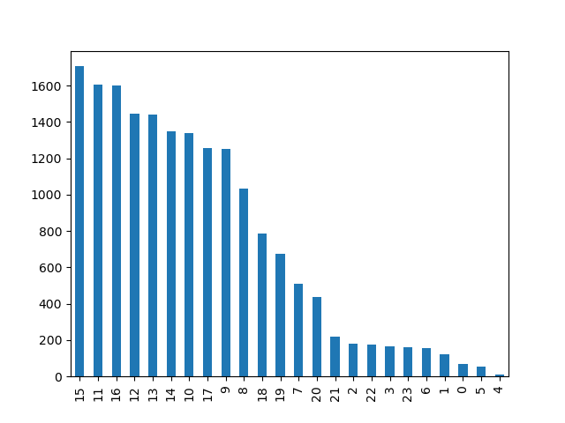
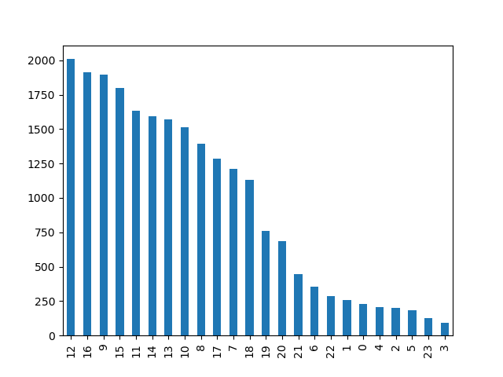

 |  | South |  |  |  |  |  |  |  |  |  | West

 | Variation in ordering habit pattern (during the day) among the Forever Young customers in all 4 regions
 |  | In terms of periods of peak orders, its only the western and mid-western regions that bear a very close resemblance
 |  | Another observation that is common to all regions is the mid level periods or order that occurs between 18 and 20 (6pm and 8pm)

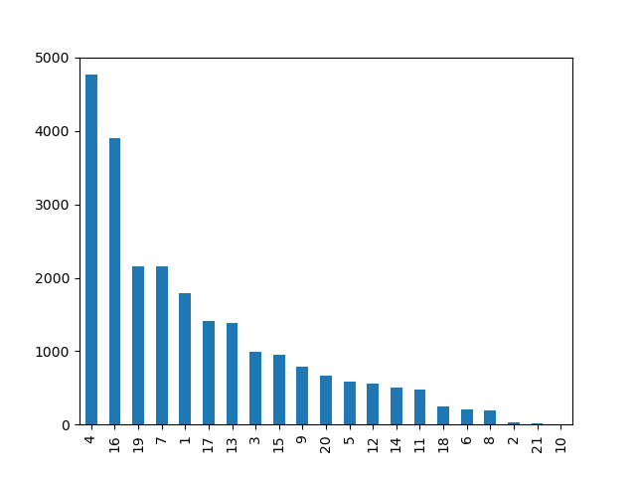
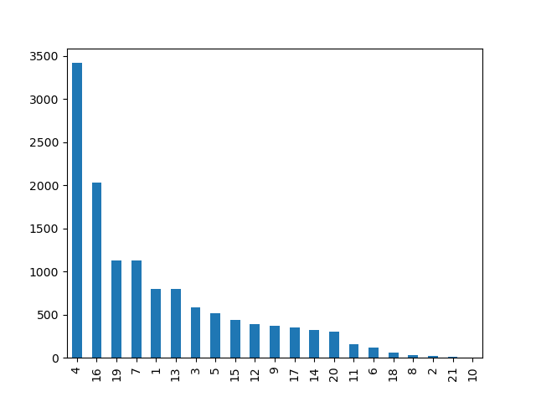

 |  |  |  |  |  |  |  |  |  |  |  |  |  |  |  | KEY
 |  |  |  |  |  |  |  |  |  |  |  |  |  |  |  | 1-frozen
 |  |  |  |  |  |  |  |  |  |  |  |  |  |  |  | 2-other
 |  |  |  |  |  |  |  |  |  |  |  |  |  |  |  | 3-bakery
 |  |  |  |  |  |  |  |  |  |  |  |  |  |  |  | 4-produce
 |  |  |  |  |  |  |  |  |  |  |  |  |  |  |  | 5-alcohol
 |  |  |  |  |  |  |  |  |  |  |  |  |  |  |  | 6-international
 |  |  |  |  |  |  |  |  |  |  |  |  |  |  |  | 7-beverages
 |  |  |  |  |  |  |  |  |  |  |  |  |  |  |  | 8-pets
 |  |  |  |  |  |  |  |  |  |  |  |  |  |  |  | 9-dry goods pasta
 |  |  |  |  |  |  |  |  |  |  |  |  |  |  |  | 10-bulk
 |  |  |  |  |  |  |  |  |  |  |  |  |  |  |  | 11-personal care
 |  |  |  |  |  |  |  |  |  |  |  |  |  |  |  | 12-meat seafood
 |  |  |  |  |  |  |  |  |  |  |  |  |  |  |  | 13-pantry
 |  |  |  |  |  |  |  |  |  |  |  |  |  |  |  | 14-breakfast
 |  |  |  |  |  |  |  |  |  |  |  |  |  |  |  | 15-canned goods
 |  |  |  |  |  |  |  |  |  |  |  |  |  |  |  | 16-dairy eggs
 |  |  |  |  |  |  |  |  |  |  |  |  |  |  |  | 17-household
 |  |  |  |  |  |  |  |  |  |  |  |  |  |  |  | 18-babies
 |  |  |  |  |  |  |  |  |  |  |  |  |  |  |  | 19-snacks
 |  |  |  |  |  |  |  |  |  |  |  |  |  |  |  | 20-deli
 |  |  |  |  |  |  |  |  |  |  |  |  |  |  |  | 21-missing

 |  | Mid-west |  |  |  |  |  |  |  | North-east
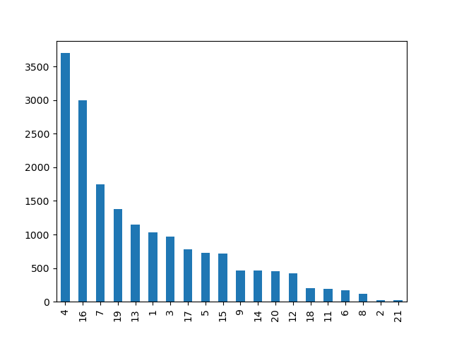
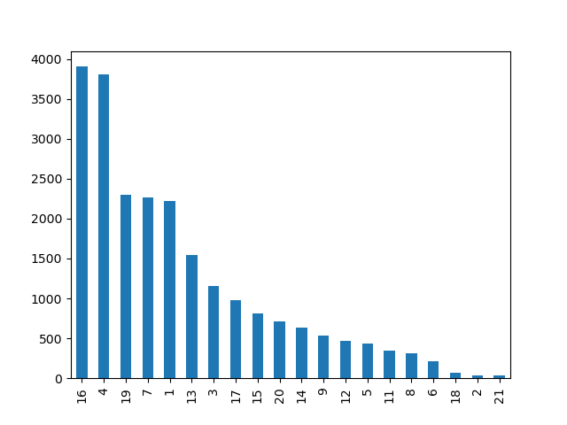

 |  | South |  |  |  |  |  |  |  | West

 | Similarities in ordering habit in respect of the preferred department among the Forever Young customers in all 4 regions
 | This is one comparison that there are so much similarites as compared to other ordering habits. For instance, all regions have the same top 4 departments and the top 2 as well
 | The departments in no particular order are 4,16,7 and 19 (produce, diary eggs, beverages, snacks respectively). The top two that stand out are arguably items that portray healthy living. This is the prime reason
 | for profiling this group as FOREVER YOUNG, noting that the ages of this group are above 40, hence the need to be more cautious about their food intake. They are also the highest earners so it
 | can be inferred that there is a flexibility of spending. The fact that they go for certain but similar set of items regardless of the 'vast income' is indicative of a clear common trend

 | Recommendation- No clear-cut and thorough distinct order habit pattern has been established among the 4 regions. All regions tend to exhibit similar characteristics. Thus, any peculiar marketing strategy developed or considered, should
 | be applied to all 4 regions.

 | N.B - The visualizations and explanation below are not recommendations but have been created to show the relationshp between identified profiles among the Instacart customer

 | To Decipher a possible connection between age and family status in terms of ordering habts, 2 scenarios were created

 |  |  | The younger lower earners |  |  |  |  |  | The older higher earners
 |  |  | Age range < 40 |  |  |  |  |  | Age range > 40
 |  |  | Income < 200,000 |  |  |  |  |  | Income > 300,000
 |  |  | Status - Single |  |  |  |  |  | Status - Married
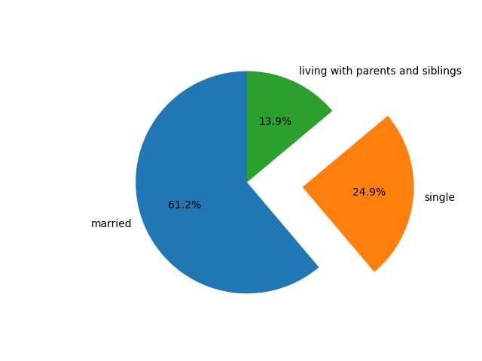

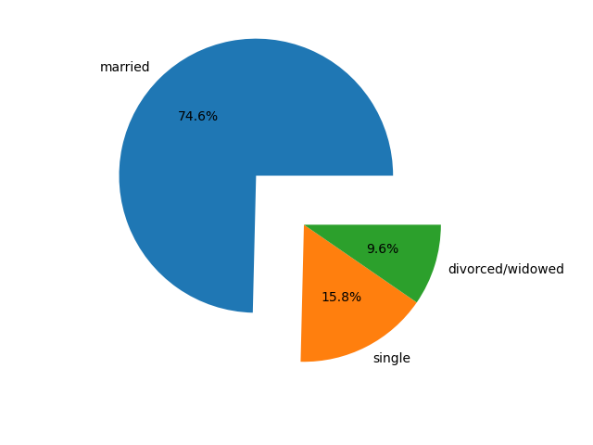

 | For this inquiry, two distinct demographies were selected to compare for possible similarities (or otherwise) between them. Customers who earn less than 200,000, are single and are below the age of 40 were picked for the first category
 | For the other category, customers who earn over 300,000, above 40 years of age and are married was chosen
 | (Note that the clients who made a total of less than 5 orders were excluded from this report as required by Instacart)
 | The charts with the orange bars are representative of the lower younger earners while the blue bar charts are the other category

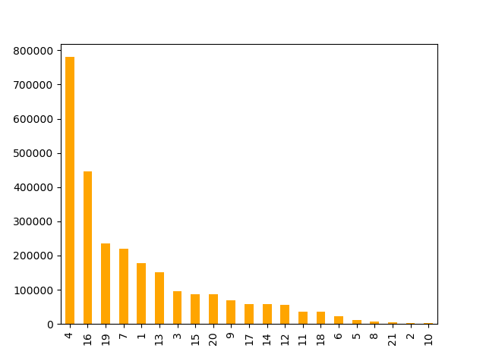
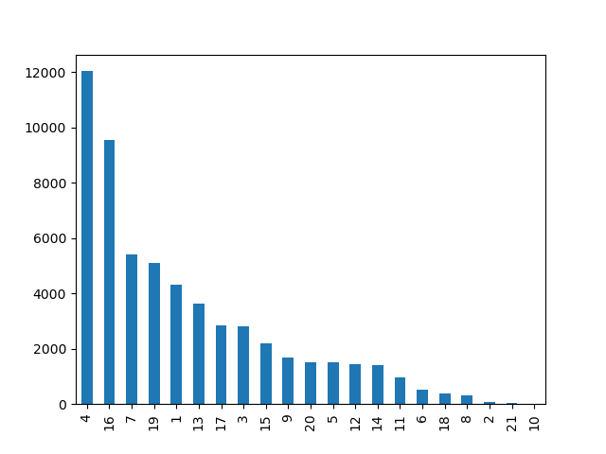

 |  |  |  |  |  |  |  |  |  |  |  |  |  |  |  |  | KEY
 |  |  |  |  |  |  |  |  |  |  |  |  |  |  |  |  | 1-frozen
 |  |  |  |  |  |  |  |  |  |  |  |  |  |  |  |  | 2-other
 |  |  |  |  |  |  |  |  |  |  |  |  |  |  |  |  | 3-bakery
 |  |  |  |  |  |  |  |  |  |  |  |  |  |  |  |  | 4-produce
 |  |  |  |  |  |  |  |  |  |  |  |  |  |  |  |  | 5-alcohol
 |  |  |  |  |  |  |  |  | Department |  |  |  |  |  |  |  | 6-international
 |  |  |  |  |  |  |  |  | ID |  |  |  |  |  |  |  | 7-beverages
 |  |  |  |  |  |  |  |  |  |  |  |  |  |  |  |  | 8-pets
 |  |  |  |  |  |  |  |  |  |  |  |  |  |  |  |  | 9-dry goods pasta
 |  |  |  |  |  |  |  |  |  |  |  |  |  |  |  |  | 10-bulk
 |  |  |  |  |  |  |  |  |  |  |  |  |  |  |  |  | 11-personal care
 |  |  |  |  |  |  |  |  |  |  |  |  |  |  |  |  | 12-meat seafood
 |  |  |  |  |  |  |  |  |  |  |  |  |  |  |  |  | 13-pantry
 |  |  |  |  |  |  |  |  |  |  |  |  |  |  |  |  | 14-breakfast
 |  |  |  |  |  |  |  |  |  |  |  |  |  |  |  |  | 15-canned goods
 |  |  |  |  |  |  |  |  |  |  |  |  |  |  |  |  | 16-dairy eggs
 |  |  |  |  |  |  |  |  |  |  |  |  |  |  |  |  | 17-household
 |  |  |  |  |  |  |  |  |  |  |  |  |  |  |  |  | 18-babies
 |  |  |  |  |  |  |  |  |  |  |  |  |  |  |  |  | 19-snacks
 |  |  |  |  |  |  |  |  |  |  |  |  |  |  |  |  | 20-deli
 |  |  |  |  |  |  |  |  |  |  |  |  |  |  |  |  | 21-missing
 | From the 2 chats, there's a joint similarity in terms of preference for the items in each departments. The top 6 departments are common to both, while 4 and 16 remain topmost

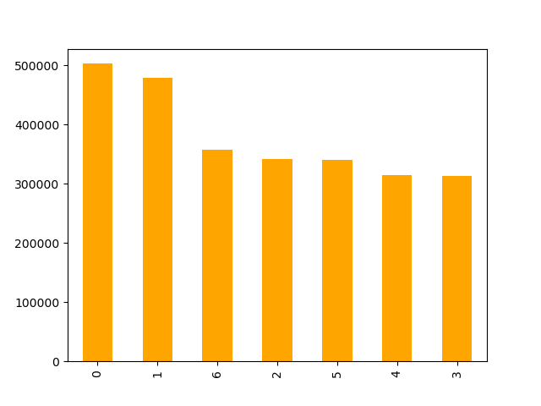
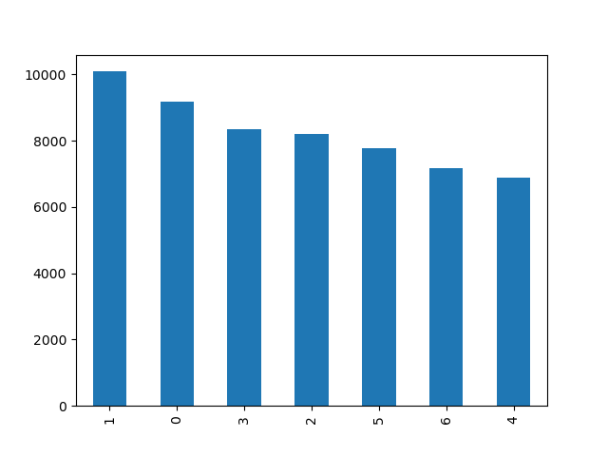

 |  |  |  |  |  |  |  |  |  |  |  |  |  |  |  |  | KEY
 |  |  |  |  |  |  |  |  |  |  |  |  |  |  |  |  | 0 = Saturday
 |  |  |  |  |  |  |  |  |  |  |  |  |  |  |  |  | 1 = Sunday
 |  |  |  |  |  |  |  |  |  |  |  |  |  |  |  |  | 2 = Monday
 |  |  |  |  |  |  |  |  | Day |  |  |  |  |  |  |  | 3 = Tuesday
 |  |  |  |  |  |  |  |  | of |  |  |  |  |  |  |  | 4 = Wednesday
 |  |  |  |  |  |  |  |  | week |  |  |  |  |  |  |  | 5 = Thursday
 |  |  |  |  |  |  |  |  |  |  |  |  |  |  |  |  | 6 = Friday

 | There's a swap between Saturday and Sunday as being the days of the highest orders between the 2 customer categories. There's a telling difference among other days in terms od reduced level of orders

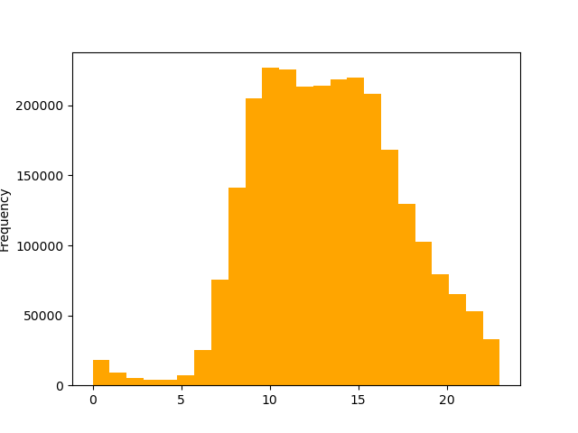
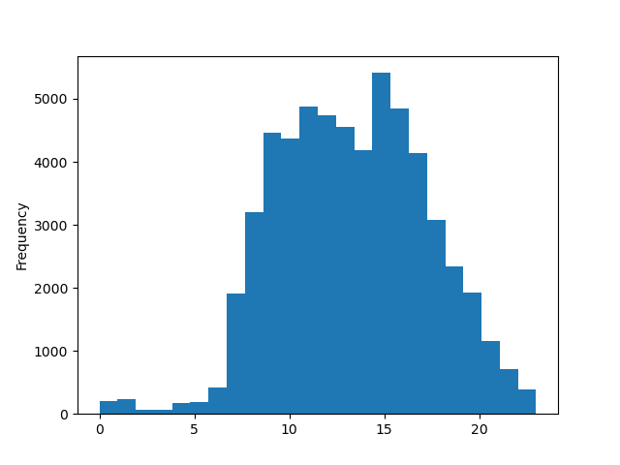

 |  |  |  |  |  |  |  |  | Hour
 |  |  |  |  |  |  |  |  | of
 |  |  |  |  |  |  |  |  | day

 | With the lower earning singles, the most preferred period to place orders is around 10am. The same cannot be said for the older married folks where 3pm is the preferred period of placing orders
 | 11am comes in second place for both customer categories. But one striking similarity between the two charts is the mid period for placings orders. 17,8,18,19,20,7,21,22 (5pm,8am,6pm,7pm,8pm,7am,9pm,10pm)
 | This is better revealed below in the corresponding bar chart
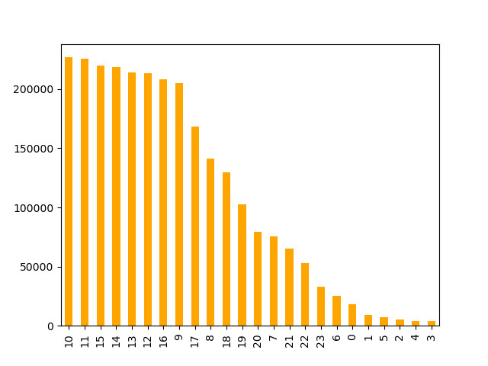
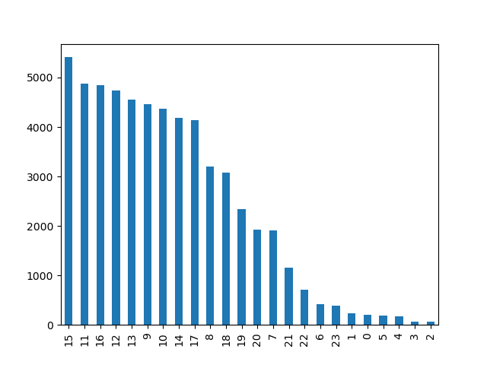

 |  |  |  |  |  |  |  |  | Hour
 |  |  |  |  |  |  |  |  | of
 |  |  |  |  |  |  |  |  | day

 | Determine any potential difference between Customer profiles using various patterns for Instacart customers

 | We would once again focus on two opposite profiles: The lower income earners of 200,000 and below who also are single in status and have ages below 40
 | The second category are the higher earners above 300,000, also have ages above 40 and are married.

 | The analysis was based on 3 major crteria which are all connected directly to customer ordering habits: Customer Loyalty, Order Frequency and Level of Spending

 | Customer Loyalty |  |  |  |  |  | Frequency Order |  |  |  |  |  |  |  | Spending Level
 | Loyal Customers - When maximum orders exceed 40 |  |  |  |  |  | Non-frequent Customer - When average days between orders exceed 20 days |  |  |  |  |  |  |  | Low Spenders - Average spending amount is below 10
 | Regular Customers - When maximum orders range from above 10 to 40 |  |  |  |  |  | Regular Customers - When average days between orders ranges from above 10 to 20 |  |  |  |  |  |  |  | High Spenders - Average spending amount is from 10 and above
 | New Customers - When maximum ordes range from 10 and below |  |  |  |  |  | Frequent Customers - When average days between orders are from 10 and below

 | (Note the clients who had maximum orders of below 5 have been excluded on account of the client)

 |  |  |  | The younger lower earners |  |  |  |  |  |  | The older higher earners
 |  |  |  | Age range < 40 |  |  |  |  |  |  | Age range > 40
 |  |  |  | Income < 200,000 |  |  |  |  |  |  | Income > 300,000
 |  |  |  | Status - Single |  |  |  |  |  |  | Status - Married

 |  | LOYALTY

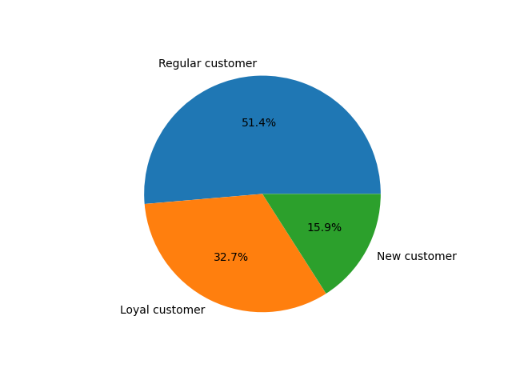
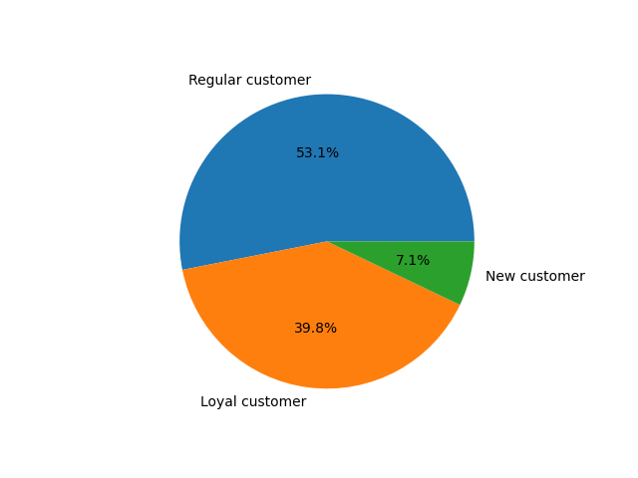

 |  | SPENDER
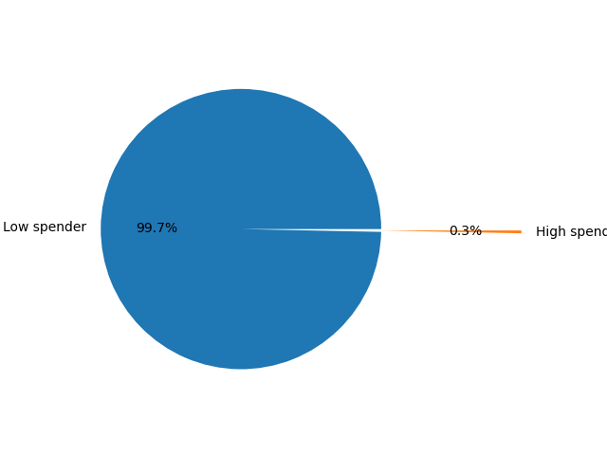
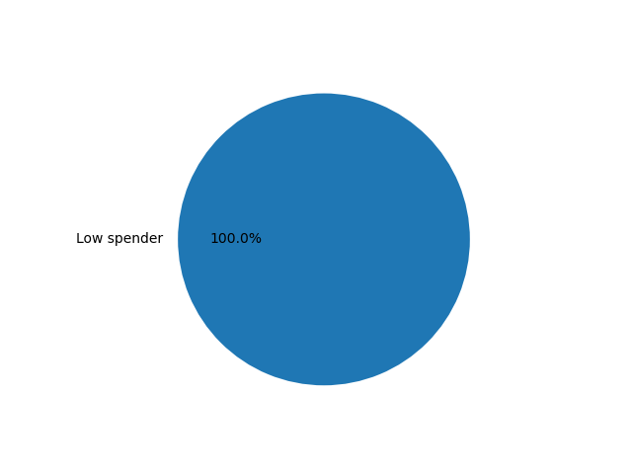




 | Observation of all 3 categories side by side, its obvious that there isn't much of a difference. In fact there are more of similarities in terms of proportions and ratios involving the ordering habits of the customers between the two opposite customer profiles

